Sheet1
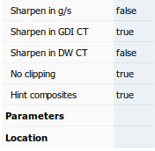
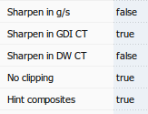
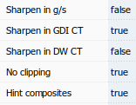
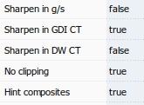
Segoe UI | Poppins UI |  | Segoe UI | Poppins UI
Regular | Regular |  | Bold | Bold

 |  | ********

